State
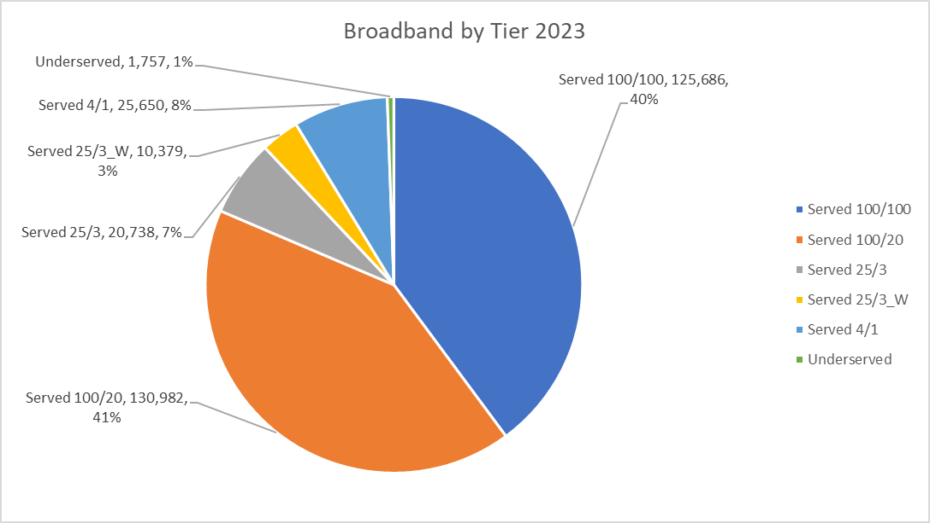
Speed Tier | Number of Locations Served | Number of Locations Not Served | Percent of Locations Served | Percent of Locations Not Served
4/1 Mbps or better | 313,435 | 1,757 | 99.44% | 0.6%
25/3 Mbps or better incl Wireless | 287,785 | 27,407 | 91.30% | 8.7%
25/3 Mbps or better | 277,406 | 37,786 | 88.01% | 12.0%
100/20 Mbps or better | 256,668 | 58,524 | 81.43% | 18.6%
100/100 Mbps or better | 125,686 | 189,506 | 39.88% | 60.1%
Grand Total | 315,192

County
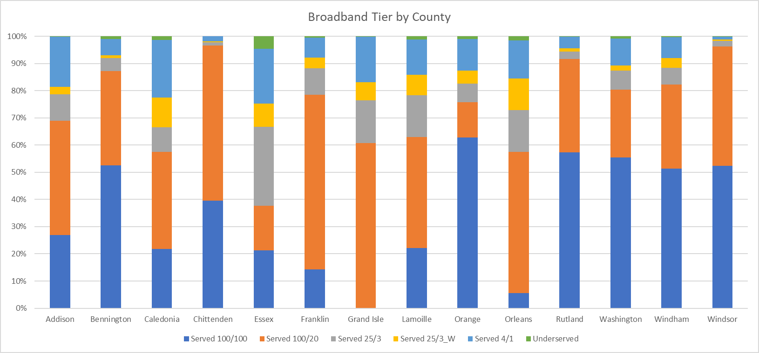
County | Total Locations | Served 100/100 or Better | Served 100/20 or Better | Served 25/3 or Better | Served 25/3_W or Better | Served 4/1 or Better | Underserved | Served 100/100 or Better | Served 100/20 or Better | Served 25/3 or Better | Served 25/3_W or Better | Served 4/1 or Better | Underserved
Addison | 18,211 | 26.8% | 68.9% | 78.6% | 81.5% | 99.9% | 0.1% | 4,887 | 12,545 | 14,316 | 14,838 | 18,184 | 27
Bennington | 21,045 | 52.5% | 87.3% | 92.0% | 93.1% | 99.0% | 1.0% | 11,043 | 18,365 | 19,355 | 19,583 | 20,835 | 210
Caledonia | 16,335 | 21.7% | 57.5% | 66.6% | 77.5% | 98.7% | 1.3% | 3,548 | 9,396 | 10,880 | 12,659 | 16,115 | 220
Chittenden | 59,027 | 39.6% | 96.6% | 97.8% | 98.2% | 100.0% | 0.0% | 23,371 | 57,042 | 57,751 | 57,968 | 59,011 | 16
Essex | 5,620 | 21.3% | 37.7% | 66.6% | 75.2% | 95.3% | 4.7% | 1,197 | 2,118 | 3,745 | 4,225 | 5,358 | 262
Franklin | 23,201 | 14.3% | 78.5% | 88.2% | 92.1% | 99.5% | 0.5% | 3,325 | 18,218 | 20,457 | 21,379 | 23,087 | 114
Grand Isle | 6,564 | 0.1% | 60.8% | 76.5% | 83.1% | 99.9% | 0.1% | 6 | 3,992 | 5,020 | 5,452 | 6,557 | 7
Lamoille | 13,574 | 22.1% | 63.0% | 78.3% | 85.9% | 98.9% | 1.1% | 2,998 | 8,556 | 10,624 | 11,654 | 13,427 | 147
Orange | 16,037 | 62.8% | 75.7% | 82.6% | 87.4% | 99.1% | 0.9% | 10,069 | 12,141 | 13,244 | 14,015 | 15,885 | 152
Orleans | 16,950 | 5.6% | 57.4% | 72.9% | 84.5% | 98.5% | 1.5% | 946 | 9,732 | 12,355 | 14,325 | 16,697 | 253
Rutland | 31,160 | 57.4% | 91.7% | 94.4% | 95.5% | 99.9% | 0.1% | 17,882 | 28,573 | 29,406 | 29,763 | 31,115 | 45
Washington | 27,496 | 55.5% | 80.4% | 87.3% | 89.3% | 99.3% | 0.7% | 15,263 | 22,104 | 24,006 | 24,564 | 27,292 | 204
Windham | 27,460 | 51.4% | 82.3% | 88.5% | 91.9% | 99.8% | 0.2% | 14,108 | 22,596 | 24,298 | 25,245 | 27,393 | 67
Windsor | 32,512 | 52.4% | 96.2% | 98.3% | 98.8% | 99.9% | 0.1% | 17,043 | 31,290 | 31,949 | 32,115 | 32,479 | 33
Grand Total | 315,192 | 39.9% | 81.4% | 88.0% | 91.3% | 99.4% | 0.6% | 125,686 | 256,668 | 277,406 | 287,785 | 313,435 | 1,757

CUD
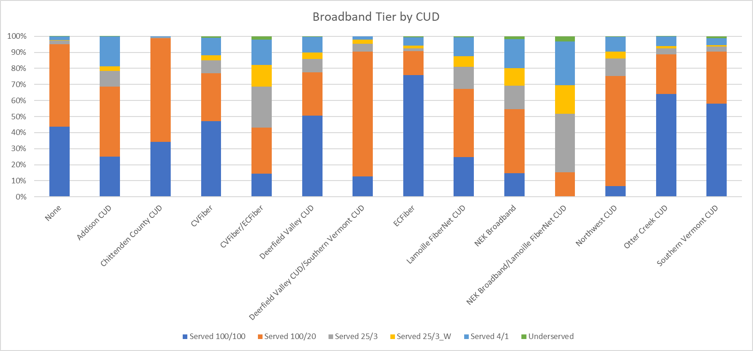
CUD | Total Locations | Served 100/100 or Better | Served 100/20 or Better | Served 25/3 or Better | Served 25/3_W or Better | Served 4/1 or Better | Underserved | Served 100/100 or Better | Served 100/20 or Better | Served 25/3 or Better | Served 25/3_W or Better | Served 4/1 or Better | Underserved
None | 64,342 | 43.6% | 95.0% | 97.3% | 97.7% | 100.0% | 0.0% | 28,047 | 61,124 | 62,588 | 62,890 | 64,312 | 30
Addison CUD | 17,536 | 24.9% | 68.6% | 78.4% | 81.4% | 99.9% | 0.1% | 4,373 | 12,028 | 13,745 | 14,267 | 17,518 | 18
Chittenden County CUD | 22,606 | 34.1% | 98.6% | 99.2% | 99.4% | 100.0% | 0.0% | 7,718 | 22,293 | 22,427 | 22,467 | 22,606 | 0
CVFiber | 26,492 | 29.1% | 84.1% | 84.7% | 84.8% | 85.3% | 0.9% | 7,718 | 22,293 | 22,427 | 22,467 | 22,606 | 229
CVFiber/ECFiber | 639 | 14.4% | 43.0% | 68.5% | 82.2% | 97.8% | 2.2% | 92 | 275 | 438 | 525 | 625 | 14
Deerfield Valley CUD | 24,751 | 50.5% | 77.7% | 85.7% | 89.8% | 99.7% | 0.3% | 12,510 | 19,221 | 21,220 | 22,234 | 24,678 | 73
Deerfield Valley CUD/Southern Vermont CUD | 3,197 | 12.8% | 90.6% | 95.4% | 97.8% | 100.0% | 0.0% | 408 | 2,895 | 3,050 | 3,126 | 3,197 | 0
ECFiber | 31,467 | 75.8% | 90.8% | 92.4% | 94.0% | 99.5% | 0.5% | 23,865 | 28,570 | 29,075 | 29,592 | 31,299 | 168
Lamoille FiberNet CUD | 12,079 | 24.8% | 67.3% | 81.0% | 87.7% | 99.2% | 0.8% | 2,998 | 8,126 | 9,789 | 10,593 | 11,982 | 97
NEK Broadband | 38,904 | 14.6% | 54.6% | 69.3% | 80.2% | 98.1% | 1.9% | 5,691 | 21,245 | 26,979 | 31,208 | 38,169 | 735
NEK Broadband/Lamoille FiberNet CUD | 898 | 0.0% | 15.1% | 51.8% | 69.5% | 96.9% | 3.1% | 0 | 136 | 465 | 624 | 870 | 28
Northwest CUD | 30,869 | 6.7% | 75.4% | 86.1% | 90.5% | 99.6% | 0.4% | 2,069 | 23,263 | 26,581 | 27,933 | 30,752 | 117
Otter Creek CUD | 23,300 | 63.9% | 88.8% | 92.5% | 93.9% | 99.8% | 0.2% | 14,899 | 20,684 | 21,552 | 21,882 | 23,255 | 45
Southern Vermont CUD | 18,112 | 58.0% | 90.5% | 93.7% | 94.3% | 98.9% | 1.1% | 10,504 | 16,395 | 16,975 | 17,081 | 17,909 | 203
Grand Total | 315,192 | 38.4% | 82.0% | 88.0% | 91.0% | 98.3% | 0.6% | 120,892 | 258,548 | 277,311 | 286,889 | 309,778 | 1,757

