Preliminary Estimate Form
How to read this estimate This is a PRELIMINARY estimation of costs to bring cable service to your home. This estimate may not reflect actual field conditions. This estimate does/does not include pole make ready costs. The "N = 1 Participant" amount below shows the costs to your address. The following amounts show the costs to bring service to multiple households if other households contribute. Only "verified subscribers" (someone who commits to subscribing to service for two years) can be included in the cost sharing formula below. A standard aerial cable drop up to 300 feet is included. |  |  |  |  |  |  |  |  |  | Proposed line extension route map from the current end of line to the end of the proposed extension

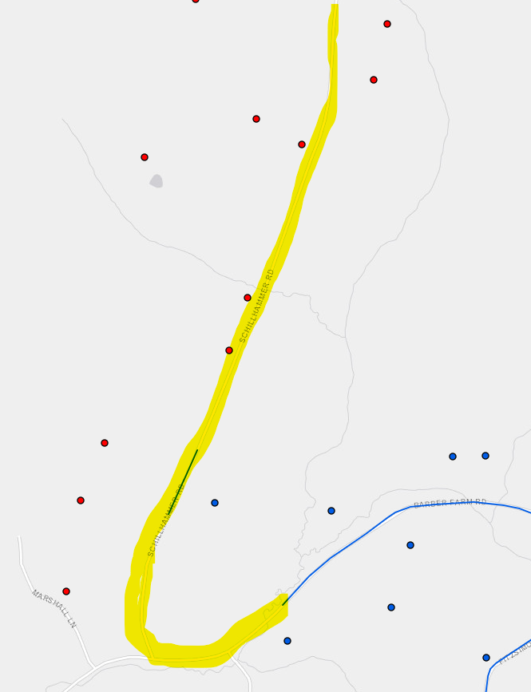

Vermont Public Utility Commission Rule 8.313(B)(1) Line Extension cost sharing formula:

A = | is the dollar contribution from each new customer;
Ct = | the actual cost of the line extension;
N = | is the number of verified subscribers on the extension who will be making the contribution-in-aid-of-construction;
L = | is the length of the extension in miles, measured along the pole route from the end of the current plant to the end of the proposed extension, excluding standard subscriber drops;

H = | is a number designated by the cable company's tariff representing the number of verified subscribers per mile, counting all the miles proposed on the extension, above which the company will not require a contribution-in-aid-of construction.

 |  | Date : | 2022-10-31
 |  | Valid for | 90 Days
 |  | Name : | John Doe
 |  | Address: | 132 Anywhere Ln
 |  | City, State Zip: | Anycity, VT, 05123

 |  | Homes Passed (potential subscribers) |  |  |  |  | 10
 |  | Verified Subscribers ("N") |  |  |  |  | 6
 |  | Average Cost per mile: |  |  |  |  | $46,151.88
 |  | Necessary network upgrade costs |  |  |  |  | $6,250.00 | (included in Total Cost of Construction below) |  |  |  | Verified | Drop | Additional Drop
 |  | Discounts/Rebates |  |  |  |  | $- | (included in Total Cost of Construction below) |  | Addresses passed |  | Subscriber | Distance (Est) | Charge

 |  | Extension length - aerial construction in feet: |  |  |  |  | 5000 |  |  | Address 1 | 123 Anywhere Ln | Y | <300' | n/c
 |  | Extension length - underground construction in feet: |  |  |  |  | 280 |  |  | Address 2 | 124 Anywhere Ln |  | <300' | n/c
 |  |  |  |  |  |  |  |  |  | Address 3 | 125 Anywhere Ln | Y | <300' | n/c
 |  |  | Total Length of Extension in Feet |  |  |  | 5280 |  |  | Address 4 | 126 Anywhere Ln | Y | <300' | n/c
 |  |  | Total Length in Miles |  |  | L = | 1.000 |  |  | Address 5 | 127 Anywhere Ln | Y | <300' | n/c
 |  |  | Total Cost of Construction* |  |  | Ct = | $46,151.89 |  |  | Address 6 | 128 Anywhere Ln |  | <300' | n/c
 |  |  | Qualifying Density |  |  | H = | 16.00 | (from the cable company's tariff) |  | Address 7 | 129 Anywhere Ln | Y | >300' | $180
 |  |  | Number of Participants: |  |  |  |  |  |  | Address 8 | 130 Anywhere Ln |  | <300' | n/c
 |  |  | N= | 1 | Participant |  | $43,267 |  |  | Address 9 | 131 Anywhere Ln |  | <300' | n/c
 |  |  | N= | 2 | Participants |  | $20,191 |  |  | Address 10 | 132 Anywhere Ln | Y | >300' | $252
 |  |  | N= | 3 | Participants |  | $12,499
 |  |  | N= | 4 | Participants |  | $8,653 |  |  | Please note these are additional charges for addresses with non-standard drops greater than 300'.
 |  |  | N= | 5 | Participants |  | $6,346
 |  |  | N= | 6 | Participants |  | $4,807 | Cost per verified Subscriber |  | Optional: All verified extension participants can agree to include individual drop charges in the total cost of construction.
 |  |  | N= | 7 | Participants |  | $3,709
 |  |  | N= | 8 | Participants |  | $2,884
 |  |  | N= | 9 | Participants |  | $2,243 |  | This estimate also shows what the cost would be if one or more potential customer passed on this extension took the service. Customers who are beyond 300 aerial feet from the cable plant may be required to pay for their own additional costs for installation of any nonstandard service drop unless otherwise agreed.
 |  |  | N= | 10 | Participants |  | $1,731
 |  |  | N= | 11 | Participants |  | $1,311
 |  |  | N= | 12 | Participants |  | $961
 |  |  | N= | 13 | Participants |  | $666
 |  |  | N= | 14 | Participants |  | $412 |  |  | For more information on this extension please contact:
 |  |  | N= | 15 | Participants |  | $192 |  |  | Cable Operator:
 |  |  | N= | 16 | Participants |  | $0 |  |  | Name
 |  |  |  |  |  |  | (Cost rounded to whole dollars) |  |  | Phone
 |  |  |  |  |  |  |  |  |  | Email
 | *May include any new subscriber and/or construction discounts/rebates and may also include necessary network upgrade costs. |  |  |  |  |  |  |  |  | Address

